Bug login 1
0 | Label | Value
Bug ID | ID number | 1
 | Name | Validation message to enter a valid password
Bug overview | Summary | When a user enters a valid username and invalid password no validation message is displayed to enter a valid password
 | URL | https://testing-assessment-foh15kew9-edvora.vercel.app/
 | screenshots | 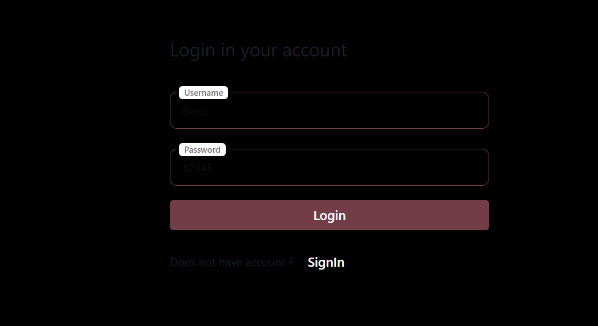
Environment | Platform | chrome
 | Operating System | windows 10
 | version
Bug details | Steps to reproduce | 1.Open URL : {https://testing-assessment-foh15kew9-edvora.vercel.app/} 2.Enter registered user’s username in the username field 3.Enter invalid/incorrect password 4.Click on Login Button
 | Expected result | A validation message should be displayed to enter a correct password
Bug tracking | Severity | medium
 | Assigned to | /
 | Priority | medium
Notes | Notes | A validation message should be displayed to enter a correct password

bug login 2
0 | Label | Value
Bug ID | ID number | 2
 | Name | Invalid Username and Invalid password field highlight
 | Summary | When a user enters a Invalid username and valid passwod and valid username and invalid password invalid fields are not highlighted with different colors
 | URL | https://testing-assessment-foh15kew9-edvora.vercel.app/
 | screenshots | 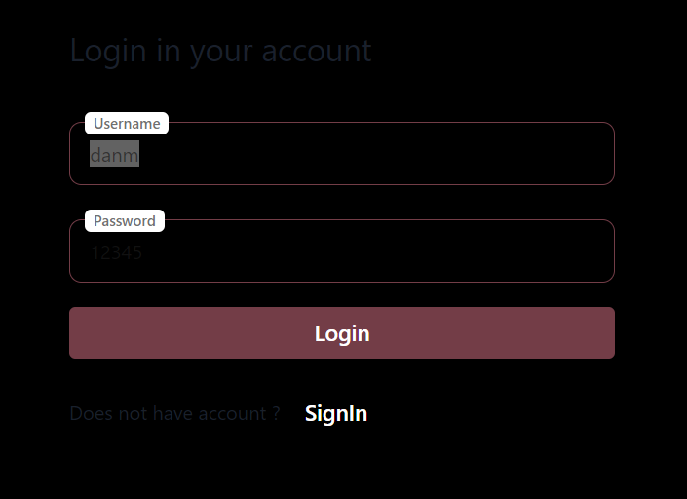
Environment | Platform | chrome
 | Operating System | windows 10
 | version
Bug details | Steps to reproduce | 1.Open URL : {https://testing-assessment-foh15kew9-edvora.vercel.app/} 2.Enter registered user’s Invalid username /valid username in the username field 3.Enter valid/incorrect password 4.Click on Login Button
 | Expected result | Invalid input fields gets highlighted with different color
Bug tracking | Severity | medium
 | Assigned to | /
 | Priority | medium
Notes | Notes | Invalid input fields should gets highlighted with different color

Bug login 3
0 | Label | Value
Bug ID | ID number | 3
 | Name | LogIn without username and password
Bug overview | Summary | When a user tries to Login without entering a username and password a no validation message is displayed
 | URL | https://testing-assessment-foh15kew9-edvora.vercel.app/
 | screenshots | 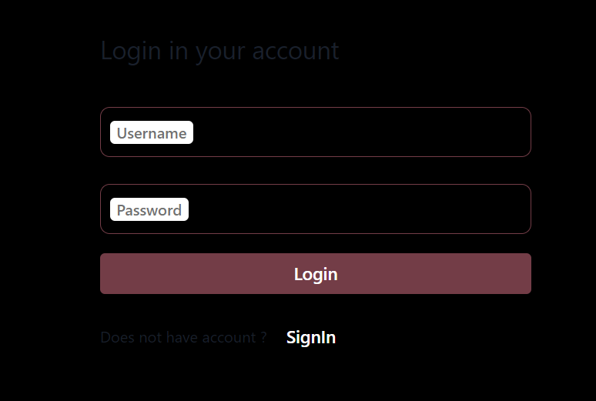
Environment | Platform | chrome
 | Operating System | windows 10
 | version
Bug details | Steps to reproduce | 1.Open URL : {https://testing-assessment-foh15kew9-edvora.vercel.app/} 2.Click on Login Button
 | Expected result | A validation message should be displayed to enter a username and password
Bug tracking | Severity | medium
 | Assigned to | /
 | Priority | medium
Notes | Notes | A validation message should be displayed to enter a username and password

Bug Login 6
0 | Label | Value
Bug ID | ID number | 6
 | Name | Logout and Login
Bug overview | Summary | Clicking on the browser back button after succesful logout is taking user to logged in mode
 | URL | https://testing-assessment-foh15kew9-edvora.vercel.app/
 | 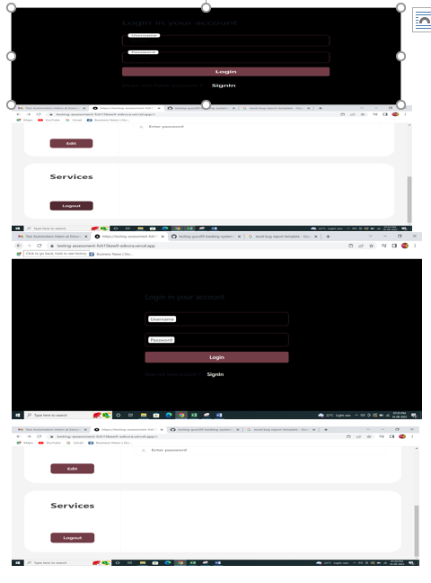 screenshots
Environment | Platform | chrome
 | Operating System | windows 10
 | version
Bug details | Steps to reproduce | 1.Open URL : {https://testing-assessment-foh15kew9-edvora.vercel.app/} 2.Login with valid credentials 3.Click on Logout 4.Click on broswer back button
 | Expected result | Clicking on the browser back button after succesful logout should not take user to logged in mode
Bug tracking | Severity | High
 | Assigned to | /
 | Priority | High
Notes | Notes

Bug Create AC 8
0 | Label | Value
Bug ID | ID number | 8
 | Name | Create Account with no userid and password
Bug overview | Summary | Account is created when clicked on create account button with no user name and password
 | URL | https://testing-assessment-foh15kew9-edvora.vercel.app/r
 | screenshots | 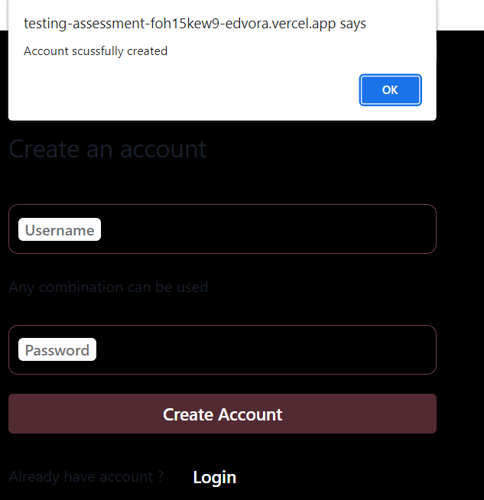
Environment | Platform | chrome
 | Operating System | windows 10
 | version
Bug details | Steps to reproduce | 1.Open URL : {https://testing-assessment-foh15kew9-edvora.vercel.app/r} 2.Click on create Account
 | Expected result | Account should not be created without a valid username and password
Bug tracking | Severity | High
 | Assigned to | /
 | Priority | High
Notes | Notes | Account should not be created without a valid username and password

Bug create AC 9
0 | Label | Value
Bug ID | ID number | 9
 | Name | Create Account with userid and no password
Bug overview | Summary | Account is created with user name and no password
 | URL | https://testing-assessment-foh15kew9-edvora.vercel.app/r
 | screenshots | 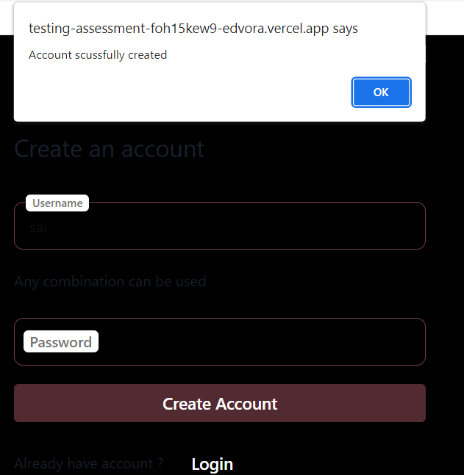
Environment | Platform | chrome
 | Operating System | windows 10
 | version
Bug details | Steps to reproduce | 1.Open URL : {https://testing-assessment-foh15kew9-edvora.vercel.app/r} 2.Enter a username 3.Click on create account
 | Expected result | Account should not be created only with a username
Bug tracking | Severity | High
 | Assigned to | /
 | Priority | High
Notes | Notes | Account should not be created only with a username

Bug create AC 10
0 | Label | Value
Bug ID | ID number | 9
 | Name | Create Account with no username and valid password
Bug overview | Summary | Account is created with no user name and valid password
 | URL | https://testing-assessment-foh15kew9-edvora.vercel.app/r
 | screenshots | 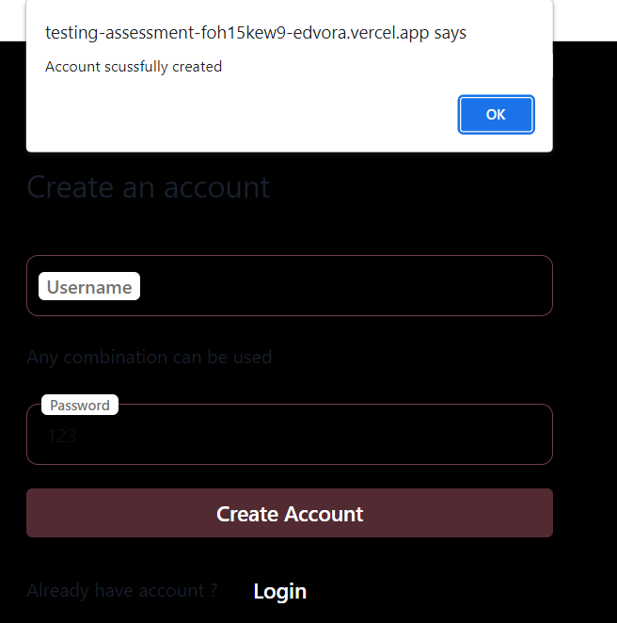
Environment | Platform | chrome
 | Operating System | windows 10
 | version
Bug details | Steps to reproduce | 1.Open URL : {https://testing-assessment-foh15kew9-edvora.vercel.app/r} 2.Enter a password 3.Click on create account
 | Expected result | Account should not be created only with password
Bug tracking | Severity | High
 | Assigned to | /
 | Priority | High
Notes | Notes | Account should not be created only with password

Bug Create AC 11
0 | Label | Value
Bug ID | ID number | 11
 | Name | User Interface
Bug overview | Summary | The font, text color, and color coding of the Login page should be standard.Text entered in username and password filed is not visible
 | URL | https://testing-assessment-foh15kew9-edvora.vercel.app/r
 | screenshots | 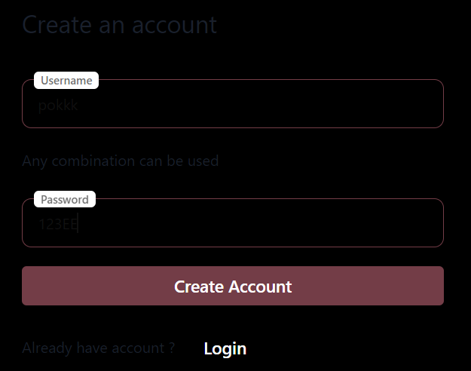
Environment | Platform | chrome
 | Operating System | windows 10
 | version
Bug details | Steps to reproduce | 1.Open URL : {https://testing-assessment-foh15kew9-edvora.vercel.app/r}
 | Expected result | UI should be attractive and fonts entered into the fields must be readable
Bug tracking | Severity | High
 | Assigned to | /
 | Priority | High
Notes | Notes

Bug Profile settting 12
0 | Label | Value
Bug ID | ID number | 12
 | Name | First Name
Bug overview | Summary | Name field is accepting numerics and special characters
 | URL | https://testing-assessment-foh15kew9-edvora.vercel.app/
 | screenshots | 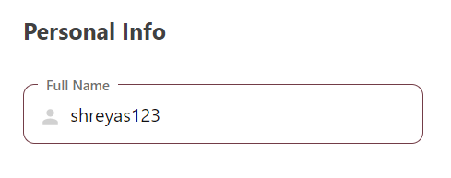
Environment | Platform | chrome
 | Operating System | windows 10
 | version
Bug details | Steps to reproduce | 1.Open URL : {https://testing-assessment-foh15kew9-edvora.vercel.app/} 2.Enter registered user’s username in the username field 3.Enter valid password 4.Click on Login Button 5.Click on Edit Button 6.Click on Full Name and type alphabets,numbers,and special characters
 | Expected result | User should not be able to type numbers and special characters
Bug tracking | Severity | medium
 | Assigned to | /
 | Priority | medium
Notes | Notes | User should not be able to type numbers and special characters

Bug ps 14
0 | Label | Value
Bug ID | ID number | 14
 | Name | Mobile number validation with alphabets and symbols
Bug overview | Summary | Mobile number field accepts alphabets and symbols and numerics
 | URL | https://testing-assessment-foh15kew9-edvora.vercel.app/
 | screenshots | 
Environment | Platform | chrome
 | Operating System | windows 10
 | version
Bug details | Steps to reproduce | 1.Open URL : {https://testing-assessment-foh15kew9-edvora.vercel.app/} 2.Enter registered user’s username in the username field 3.Enter valid password 4.Click on Login Button 5.Click on Edit Button 6.click on Mobile Number
 | Expected result | Only numeric values should be accepted
Bug tracking | Severity | medium
 | Assigned to | /
 | Priority | High
Notes | Notes

Bug ps 17
0 | Label | Value
Bug ID | ID number | 17
 | Name | Save Button
Bug overview | Summary | save Button
 | URL | https://testing-assessment-foh15kew9-edvora.vercel.app/
 | screenshots | 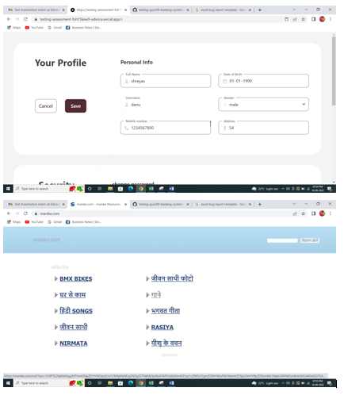
Environment | Platform | chrome
 | Operating System | windows 10
 | version
Bug details | Steps to reproduce | 1.Open URL : {https://testing-assessment-foh15kew9-edvora.vercel.app/} 2.Enter registered user’s username in the username field 3.Enter valid password 4.Click on Login Button 5.Click on Edit Button 6.click on Address 7.Click on Save
 | Expected result | After clicking save button page should redirect to a profile page
Bug tracking | Severity | High
 | Assigned to | /
 | Priority | High
Notes | Notes

Bug ps 18
0 | Label | Value
Bug ID | ID number | 18
 | Name | Cancel button
Bug overview | Summary | Updated information is saved when clicked on cancel button
 | URL | https://testing-assessment-foh15kew9-edvora.vercel.app/
 | screenshots | 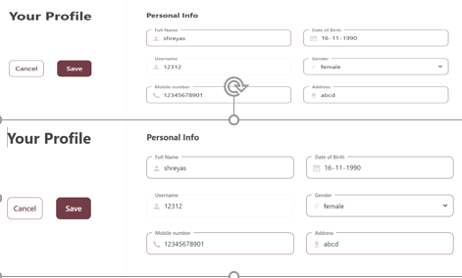
Environment | Platform | chrome
 | Operating System | windows 10
 | version
Bug details | Steps to reproduce | 1.Open URL : {https://testing-assessment-foh15kew9-edvora.vercel.app/} 2.Enter registered user’s username in the username field 3.Enter valid password 4.Click on Login Button 5.Click on Edit Button 6.click on Full Name add Name 7.Click on Cancel 8.Logout 9.Login
 | Expected result | when clicked on cancel button updated information should not be saved
Bug tracking | Severity | High
 | Assigned to | /
 | Priority | High
Notes | Notes

Bug ps 19
0 | Label | Value
Bug ID | ID number | 19
 | Name | Edit password encryption
Bug overview | Summary | Entered password should is not masked
 | URL | https://testing-assessment-foh15kew9-edvora.vercel.app/
 | screenshots | 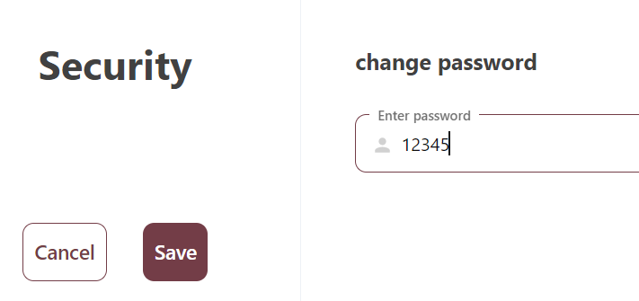
Environment | Platform | chrome
 | Operating System | windows 10
 | version
Bug details | Steps to reproduce | 1.Open URL : {https://testing-assessment-foh15kew9-edvora.vercel.app/} 2.Enter registered user’s username in the username field 3.Enter valid password 4.Click on Login Button 5.Scroll to security click on edit
 | Expected result | Entered password should be masked
Bug tracking | Severity | medium
 | Assigned to | /
 | Priority | High
Notes | Notes

